AC tabulation explanation
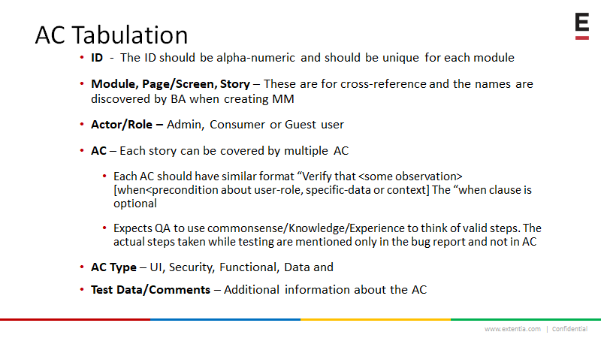

Notes: ID column is not mandatory. You can remove that column if you don’t find any use. Module column is not mandatory. It can be removed if you don’t find any use. • It is needed in very very large projects. Often the Module name is given to the XLS or the Tab. • We usually flatten the mindmap to make it Page (optionally section) and story. The Status column should not exist in the central AC XLS. It should be added to the snapshot copy of the XLS used to perform testing before a release. Precondition is a popular column, it can be added before the AC column. Following BDD style of Given, When, Then – the Given+When are preconditions and Then is our AC column.

